Sheet1
 |  | 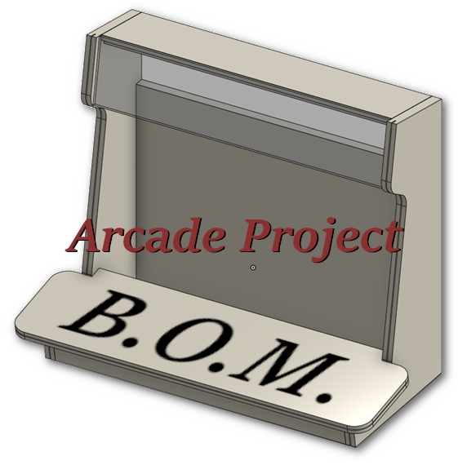
QTY | UNIT | DESCRIPTION | VENDOR | PRICE | TIOTAL | PURPOSE
1 | EA | Short Micro USB Cable 1ft [5 Pack] USB 2.0 Micro USB Charging Cable Android Charger Cord for Samsung Galaxy S7 Edge S6 J7 Note 5 LG Kindle Sony PS4 TV Stick Smartphones (Black) | Amazon | $1.59 | $1.59 | Connecting Raspberry Pis to Picos
1 | EA | 19" Dell P1913T 1400x1050 LCD Monitors | ebay | $23.00 | $23.00 | Arcade screen
8 | EA | 125V/250V 16A SPDT Snap Action Button Micro Limit Switch for Microwave Oven Door Arcade KW3 by MUZHI(12Pack) | Amazon | $0.63 | $5.06 | Each arcade controller button assembly
1 | 10 FT | 100FT 20AWG Electrical Wire, 20/2 Gauge Oxygen Free Copper 12V/24V DC Red Black Zip Cord Wire Car Audio Extension Wire, LED Strip Lights Hookup Wire for Led Strips Single Color 3528 5050 | Amazon | $1.60 | $1.60 | Switch and Joystick wiring.
1 | EA | Sanwa JLF OEM Shaft | Paradise Arcade Shop | $2.00 | $2.00 | Arcade Joystick Assemblies
1 | EA | PAS JLF 2 lbf Custom Spring | Paradise Arcade Shop | $1.25 | $1.25 | Arcade Joystick Assemblies
3 | EA | Koala Printable Clear Sticker Paper - ONLY for LASER Printer - 8.5x11 Inch 20 Sheets Full Sheet 100% Transparent Label Paper for DIY Personalized Decals, Labels | Amazon | $0.45 | $1.35 | Decals
1 | EA | Raspberry Pi Pico RP2040 microcontroller - in US Stock, Ready to Ship (4 Pack) | Amazon | $5.63 | $5.63 | input controller
1 | EA | Raspberry Pi 5 - 4 GB RAM | Adafruit | $60.00 | $60.00 | Host Computer

 |  | MDF
 |  | Plexiglass
 |  | Lights for marquee?

 |  |  |  | Grand Total: | $101.47

